Guide
Strategic Overview Tool
TRUST
2023 - 2024
We encourage Trusts leads to adapt and personalise this guide to meet the needs and priorities of your Trust. The notes / guidance section on the school page is for example only and will need to be personalised for your schools (see below)

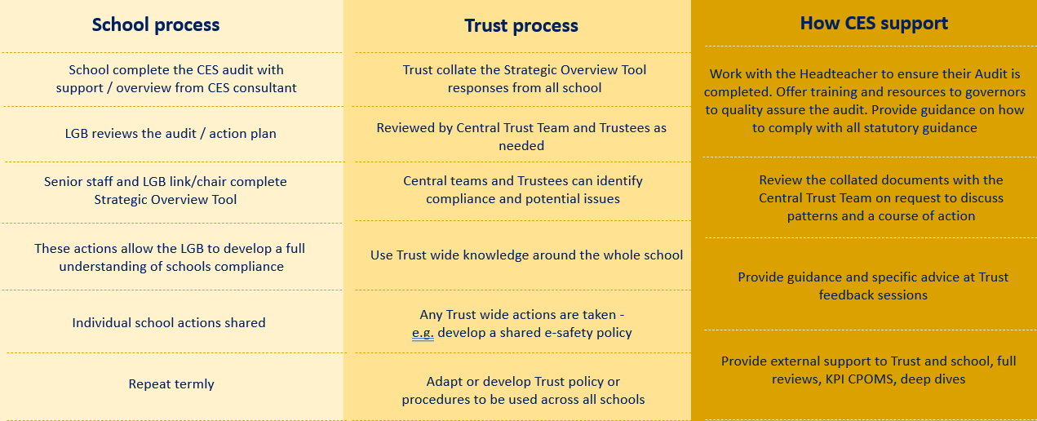

32
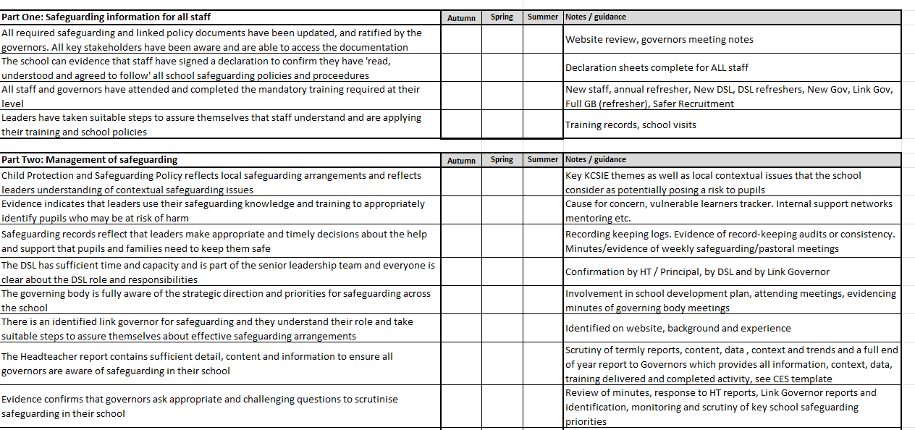

Notes and guidance can be edited to aline with your Trust polices and proceedures

Schools will RAG rate these sections using their completed termly audit

